Indices

 | Iraq Stock Exchange
 | Bulletin No (43)
 | ISX Trading Indices of Thursday 5/3/2026

 | Traded Volume and OTC |  | 626,304,285 |  | Traded Value and OTC |  | 1,250,060,404 |  | Traders | 938

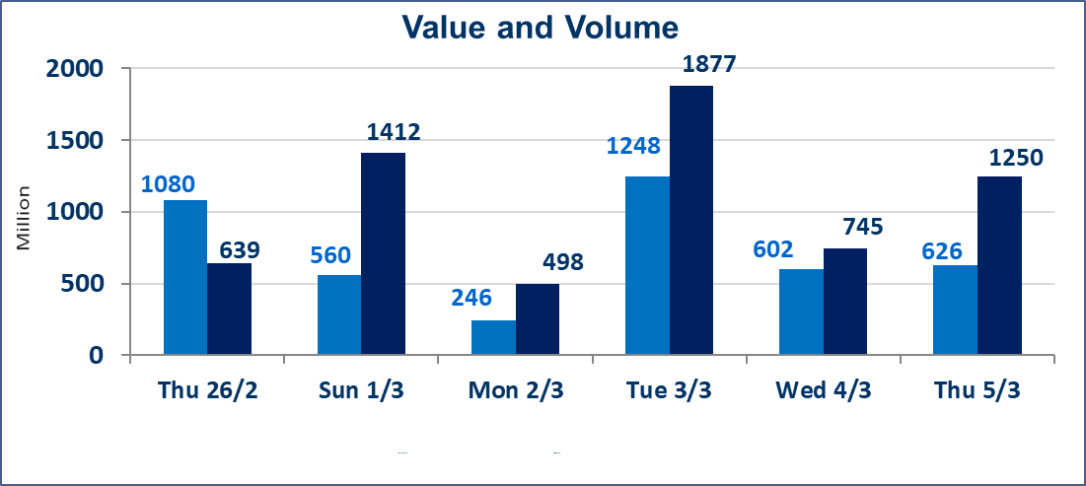
 | ISX Index 60 |  |  | 952.71 | ISX Index 15 |  |  | 1217.27
 | Previous ISX Index60 |  |  | 941.59 | Previous ISX Index15 |  |  | 1201.64
 | Change % |  |  | 1.18 | Change % |  |  | 1.30
 | Change |  |  | 11.12 | Change |  |  | 15.63

 | Listed Companies | 104 | OTC | 14 | Non Traded listed | 49 | OTC | 13
 | Traded Listed Companies | 45 | OTC | 1 | Higher Companies |  |  | 26
 | GAM Companies |  |  | 0 | Lower Companies |  |  | 8
 | Suspended Companies |  |  | 10
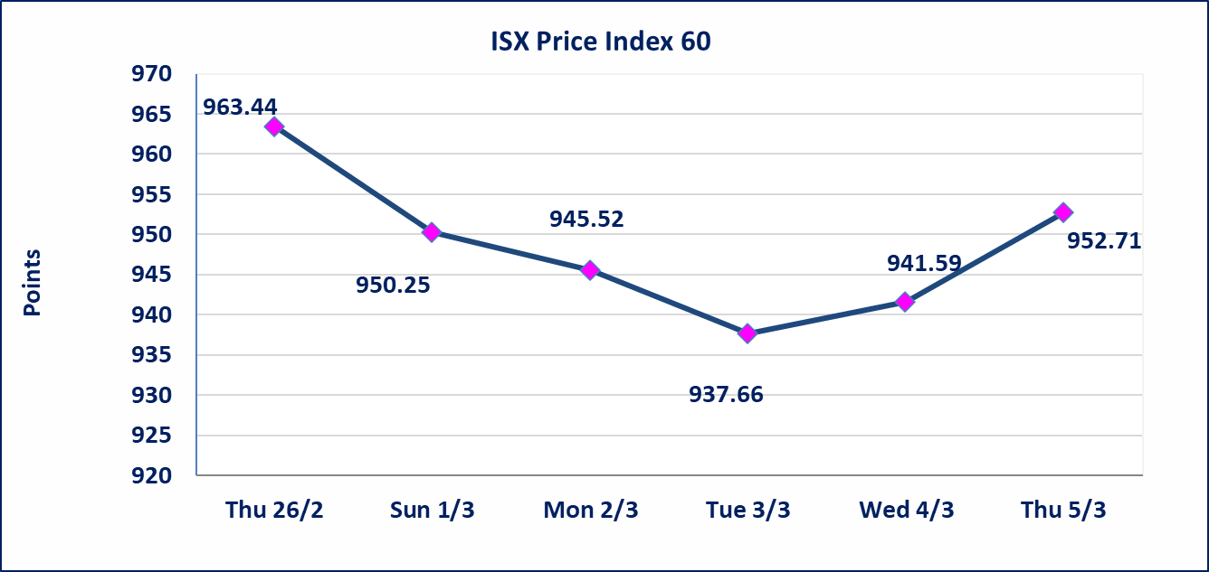
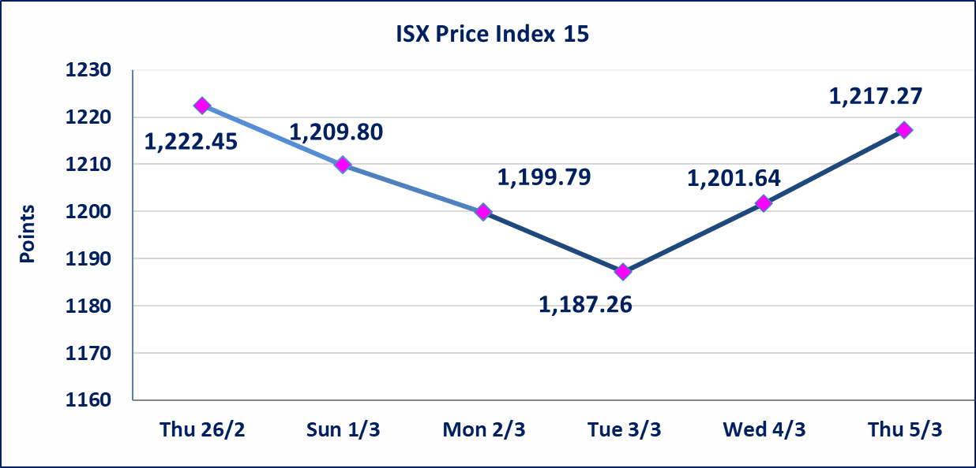

Al-Alwiya P.O . 3607 Mobile: 07711211522 - 07270094594 - 07834000034 E-mail: info-isx@isx-iq.net Web site:www.isx-iq.net

Top 5
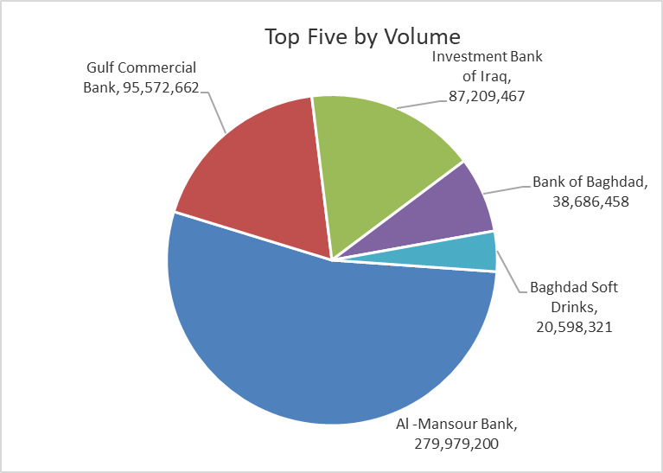
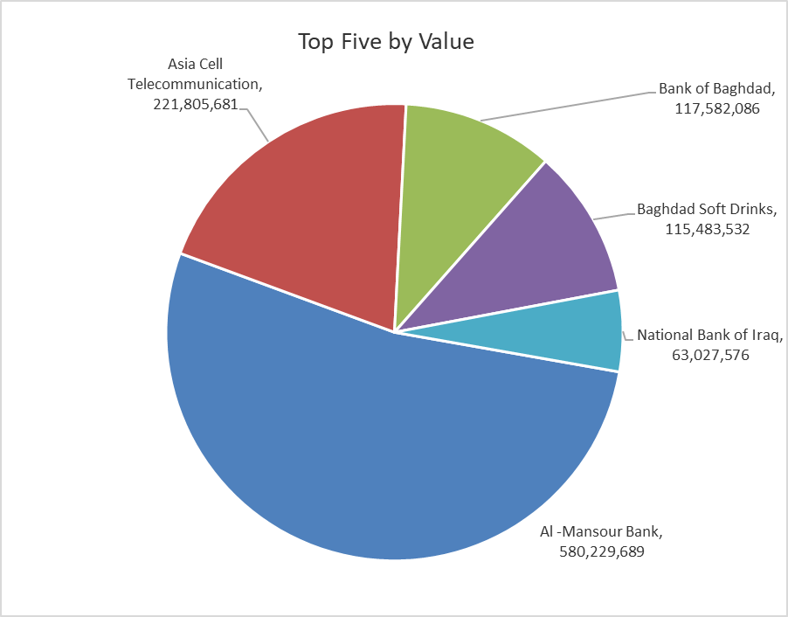

ISX top ganing and losing companies
Thursday 5/3/2026
 | Gainers |  |  |  | Losers
 | Company Name | Closing Price | Change (%) | Traded Volume | Company Name | Closing Price | Change (%) | Traded Volume
 | Mosul Bank For Investment | 0.130 | 8.33 | 108,065 | Middle East Bank | 0.060 | -14.29 | 102,602
 | Ishtar Hotels | 8.920 | 4.94 | 260,474 | Al-Ahlyia agricultural production | 2.770 | -4.81 | 20,000
 | Modern Sewing | 5.350 | 4.90 | 598,666 | Mansour Hotel | 45.500 | -4.21 | 785
 | Iraqi Carton Manufactories | 2.590 | 4.86 | 4,297,692 | Al-Taif Islamic Bank | 0.670 | -2.90 | 646,759
 | Al-Hamraa for Insurance | 3.460 | 4.85 | 64,904 | Commercial Islamic Bank of Iraq | 0.650 | -1.52 | 1,912,098
 | The most active companies in term of traded volume and value

 | Traded Volume |  |  |  | Traded Value
 | Company Name | Closing Price | Change (%) | Traded Volume | Company Name | Closing Price | Change (%) | Traded Value
 | Al -Mansour Bank | 2.100 | 3.45 | 279,979,200 | Al -Mansour Bank | 2.100 | 3.45 | 580,229,689
 | Gulf Commercial Bank | 0.320 | 0.00 | 95,572,662 | Asia Cell Telecommunication | 14.680 | 1.59 | 221,805,681
 | Investment Bank of Iraq | 0.220 | 4.76 | 87,209,467 | Bank of Baghdad | 3.060 | 2.00 | 117,582,086
 | Bank of Baghdad | 3.060 | 2.00 | 38,686,458 | Baghdad Soft Drinks | 5.670 | 0.89 | 115,483,532
 | Baghdad Soft Drinks | 5.670 | 0.89 | 20,598,321 | National Bank of Iraq | 4.800 | 2.13 | 63,027,576

Non Iraqi

Iraq Stock Exchange
Non Iraqis' Bulletin Thursday March 5 2026
Regular Market

Non Iraqi Trading of Regular Market (Sell)
Company Names | Code | No.of trades | Traded Shares | Trading Volume
Industry Sector
Baghdad Soft Drinks | IBSD | 42 | 14,693,555 | 82,283,908
Total Industry sector |  | 42 | 14,693,555 | 82,283,908
Telecommunication Sector
Asia cell | TASC | 7 | 1,523,858 | 22,340,235
Total Telecommunication sector |  | 7 | 1,523,858 | 22,340,235
Grand Total |  | 49 | 16217413 | 104624143

Non Iraqi Trading of Second Market (BUY)
Company Names | Code | No. of trades | Traded Volume | Traded Value
Banks Sector
Credit Bank Of Iraq | BROI | 1 | 17 | 10
Total Bank sector |  | 1 | 17 | 10
Grand Total |  | 1 | 17 | 10

Non Iraqi Trading of Second Market (Sell)
Company Names | Code | No.of trades | Traded Shares | Trading Volume
Insurance Sector
Al-Hamraa for Insurance | NHAM | 3 | 14,904 | 51,568
Total Insurance sector |  | 3 | 14,904 | 51,568
Grand Total |  | 3 | 14,904 | 51,568

Not Trading Bonds

Iraq Stock Exchange
Thursday 5/3/2026
Not Trading Bonds Bulletin
Bond type | Publish type | Code | last trading price | immortilize date
Banaa Bonds /Million ID | Second | CB20 | 964,981 | 19/12/2025
Eamar Bonds /Million ID | First | CB30 | 1,001,095 | ــــــــــــــــ
Eamar Bonds /Million ID | Second | CB40 | ــــــــــــــــ | ــــــــــــــــ
Eamar Bonds /500 Thousand ID | Third | CB45 | ــــــــــــــــ | ــــــــــــــــ
Eamar Bonds /Million ID | Third | CB50 | ــــــــــــــــ | ــــــــــــــــ
Injaz Bonds /500 Thousand ID | First | CB55 | ــــــــــــــــ | ــــــــــــــــ
Injaz Bonds /Million ID | First | CB60 | ــــــــــــــــ | ــــــــــــــــ
Injaz Bonds /500 Thousand ID | Second | CB65 | 503,793 | ــــــــــــــــ
Injaz Bonds /Million ID | Second | CB70 | 1,026,082 | ــــــــــــــــ
Injaz Bonds /500 Thousand ID | Third | CB75 | ــــــــــــــــ | ــــــــــــــــ
Injaz Bonds /Million ID | Third | CB80 | 978,182 | ــــــــــــــــ
National Bonds/Million ID | First | CB90 | ــــــــــــــــ | ــــــــــــــــ
National Bonds/500 Thousand ID | Second | CB95 | ــــــــــــــــ | ــــــــــــــــ
National Bonds/Million ID | Second | CB100 | ــــــــــــــــ | ــــــــــــــــ

